Results
©Collective Leadership Institute
Individual Leadership Assessment

Aspect Results
Compass Dimension | Leadership Competency | Results | Aspect | Results
FUTURE POSSIBILITIES | I take responsibility and consciously shape reality toward a sustainable future | 1.0 | Future Orientation | 1
 |  |  | Empowerment | 1
 |  |  | Decisiveness | 1
ENGAGEMENT | Build step-by step engagement and an effective collaboration eco-system | 1.0 | Process quality | 1
 |  |  | Connectivity | 1
 |  |  | Collective action | 1
INNOVATION | Create novelty and find intelligent solutions | 1.0 | Creativity | 1
If you like to improve your leadership competencies, take a deep dive into the Collective Leadership Compass-Tool (https://compass-tool.net/understand-the-compass/) and get inspired by practical hints.
 |  |  | Excellence | 1
 |  |  | Agility | 1
HUMANITY | Reach into each other’s humanness and build constructive relationships | 1.0 | Mindfulness | 1
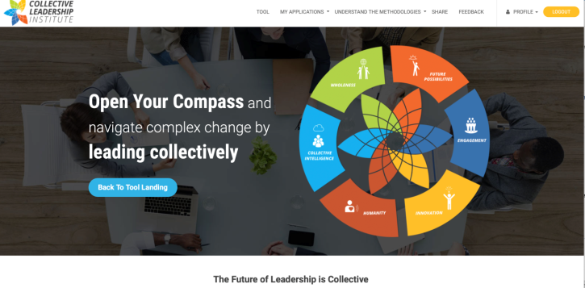
 |  |  | Balance | 1
 |  |  | Empathy | 1
COLLECTIVE INTELLIGENCE | Use dialogue to harvest difference for progress | 1.0 | Dialogic Quality | 1 | Dimension Results
 |  |  | Diversity | 1 | Future Possibilities | 1.0
 |  |  | Iterative Learning | 1 | Engagement | 1.0
WHOLENESS | Stay connected to the common good and larger change system, act accordingly | 1.0 | Contextuality | 1 | Innovation | 1.0
 |  |  | Mutual Support | 1 | Humanity | 1.0
 |  |  | Contribution | 1 | Collective Intelligence | 1.0
 |  |  |  |  | Wholeness | 1.0

